Supplemental Materials
Supplemental Materials
Supplemental Section 1: Rapid Review
1.1 Rapid Review Protocol
1.2 Rapid Review Results
1.3 Rapid Review Flow Diagram
Supplemental Section 2: Analysis Data Curation
2.1 Data Search Protocol
2.2 Data Set Summaries
2.3 Data Exclusion/Inclusion
Supplemental Section 3: Additional Results
3.1 AQ10 Whole Sample Descriptive Statistics
3.2 AQ10 Sex Difference Descriptive Statistics
3.3 Sensitivity and Specificity Values
3.4 Group Comparison Results and Variable Means
Supplemental References

1.1 Rapid Review Protocol
1.1 Rapid Review Protocol
The rapid review aimed to address 4 research questions:
1. How many pieces of published work have used or reported an AQ10 cutoff?
2. Which AQ10 cutoffs have been reported?
3. How many studies have used an AQ10 cutoff to screen for participants to include/exclude from their samples?
4. How many studies have used an AQ10 cutoff to create high and low autistic trait groups within their sample?
To this end, research published from 2012-2022 (in line with the AQ10 development) was searched for across 4 databases using the following search terms:
Google Scholar (13/6/22)
(autis OR asd OR asc OR asperg) AND (aq-10 OR aq10 OR "aq 10" OR "10 item” OR "10-item”)
PubMed (13/6/22)
(Autis* OR ASD OR ASC OR Asperg*) AND (AQ-10 OR AQ10 OR "AQ 10" OR "10 item" OR "10-item")
Scopus (13/6/22)
(ALL (autis* OR ASD OR ASC OR Asperg*) AND ALL (aq-10 OR aq10 OR “aq 10” OR “10 item” OR “10-item”))
Web of Science (13/6/22)
autis* OR ASD OR ASC OR asperg* AND AQ-10 OR AQ10 OR “AQ 10” OR “10 item” OR “10-item”
All papers were screened by LW, with the final selection including any published study, review, or book chapter which reports an AQ10 cut-off value (for further details and exclusion criteria reported see Section 1.3). The final studies selected were reviewed independently by LW and CR. Discrepancies were discussed and re-evaluated by an independent third coder until there was consensus across reviewers.

1.3 Rapid Review Flow Diagram
1.3 Rapid Review Flow Diagram (following Page et al., 2021)

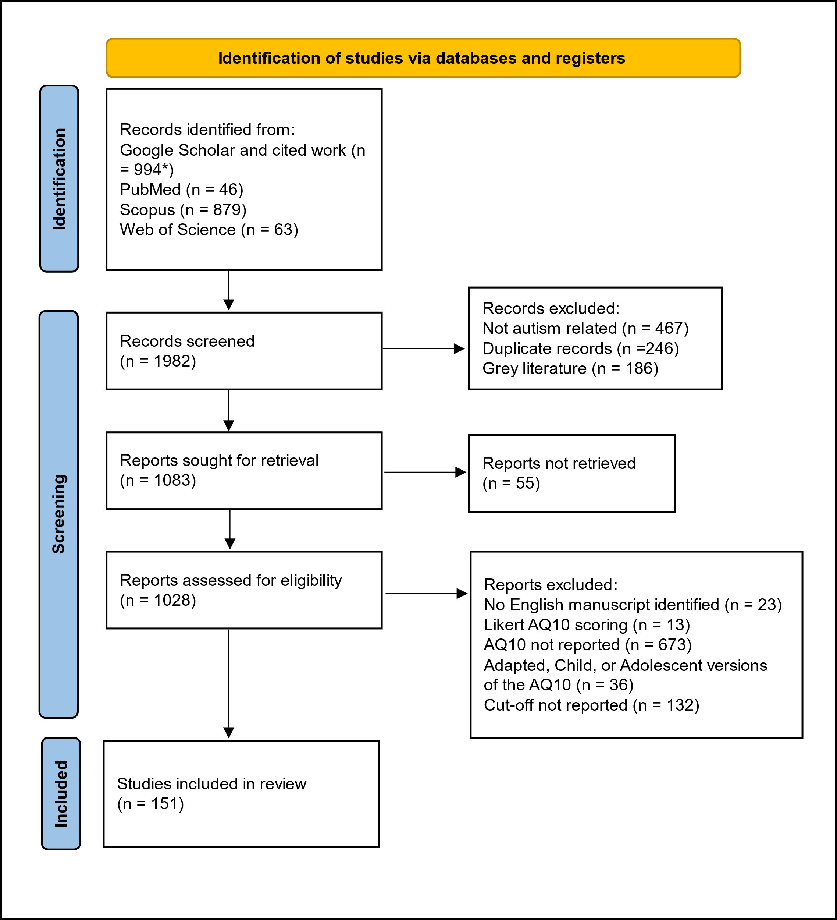

Note. * 3400 identified, number viewable is limited by Google Scholar and sorted by relevance.

2.1. Data Set Search Protocol
2.1 Data Set Search Protocol
Sixty-four studies (fifty-three data sets) were identified from the systematic review as having used the AQ10 in their analyses in a manner appropriate for re-analysis. The authors were contacted for data requests and searched for in online repositories (9 datasets retrieved). Additional AQ10 data sets, irrespective of how the AQ10 was used in analyses, were searched for in the following manner:
Open Science Framework (1/6/22)
Search terms: (Autis* OR ASD OR ASC OR Asperg*) AND (AQ-10 OR AQ10 OR “AQ 10” OR “10 item” OR “10-item”)
UK Data Archives (6/6/22)
Search terms: Autis* OR AQ OR Asperg*
Psych Archives (6/6/22)
Search terms: Autis*
PLoS One (7/6/22)
Search terms: AQ10 AND Autis*
Google Scholar (6/6/22)
Searching within articles citing Allison et al. (2012)
Search terms: “data are available”, “data is available”, “data can be found”, “open access data”, “open data”

2.3 Data Exclusion-Inclusion
2.3 Data Exclusion/Inclusion

Note. Participant inclusion and exclusion criteria for each analysis, and the number of participants included/excluded (n) in each dataset.

Study | n | Additional Information
Participants included in the current analyses who were excluded in the original studies for meeting the AQ10 cut-off
Brewer et al. 2017 | 7
Brewer et al. 2022 | 1
Participants excluded from all current analyses for missing AQ10 data
Brewer et al. 2017 | 31
Brewer et al. 2022 | 163 | AQ10 scores were not collected for participants with an autism diagnosis.
Nijhof et al., 2017 | 3
Thabtah 2017 | 182 | AQ10 scores were not self-report (e.g., reported by a parent, caregiver, or clinician).
Willemse et al. 2021 | 1
Participants excluded from effect size analyses for missing dependent variable data
Kember & Williams 2020 | 3
Nijhof et al. 2017 | 1
Rahman et al. 2021 | 100 | No participants had AQ10 scores ≥7 so results could not be compared between cut-offs.
Rogge 2022 | 1 | Data were missing for 2/6 variables and were excluded for these analyses only.
Ryan et al. 2021 | 1
Thabtah 2017 | 522 | No psychological dependent variable was included in the dataset.

3.1 AQ10 Descriptive Statistics
3.1 AQ10 Whole Sample Descriptive Statistics

Note. AQ10 group demographics by data set. The number of participants scoring below (Low Traits Group) and above (High Traits Group) the ≥6 and ≥7 AQ10 cutoffs, the corresponding mean AQ10 score and standard deviation for each group, and the percentage of participants that would be reclassified from the high autistic traits group to the low autistic traits group when changing the AQ10 cutoff from ≥6 to ≥7.

Study | Cut-Off | Low Traits Group |  |  | High Traits Group |  |  | Reclassification (%)
 |  | n | AQ10 M | (SD) | n | AQ10 M | (SD)
Brewer et al. 2017 | ≥6 | 80 | 2.14 | 1.42 | 7 | 6.43 | 0.53 | 57.14
 | ≥7 | 84 | 2.32 | 1.61 | 3 | 7.00 | 0.00
Brewer et al. 2022 | ≥6 | 79 | 2.38 | 1.50 | 62 | 8.35 | 1.40 | 14.52
 | ≥7 | 88 | 2.75 | 1.80 | 53 | 8.75 | 1.09
Clutterbuck et al. 2021 | ≥6 | 191 | 2.66 | 1.37 | 94 | 8.43 | 1.48 | 15.96
 | ≥7 | 206 | 2.91 | 1.58 | 79 | 8.89 | 1.12
Clutterbuck et al. 2022 | ≥6 | 430 | 2.81 | 1.40 | 62 | 7.00 | 1.09 | 41.94
 | ≥7 | 456 | 2.99 | 1.54 | 36 | 7.72 | 0.88
Gollwitzer et al. 2019 | ≥6 | 6039 | 2.67 | 1.33 | 556 | 6.67 | 0.92 | 56.29
 | ≥7 | 6352 | 2.84 | 1.49 | 243 | 7.52 | 0.80
Hochard et al. 2020 | ≥6 | 475 | 2.53 | 1.40 | 175 | 7.82 | 1.32 | 20.00
 | ≥7 | 510 | 2.77 | 1.61 | 140 | 8.28 | 1.06
Huang et al. 2021 | ≥6 | 297 | 3.30 | 1.31 | 113 | 6.66 | 0.81 | 53.10
 | ≥7 | 357 | 3.75 | 1.57 | 53 | 7.42 | 0.57
Kember & Williams 2021 | ≥6 | 300 | 2.24 | 1.56 | 84 | 7.57 | 1.37 | 30.95
 | ≥7 | 326 | 2.54 | 1.81 | 58 | 8.28 | 1.04
Lelonkiewicz et al. 2021 | ≥6 | 138 | 2.89 | 1.35 | 9 | 6.78 | 0.97 | 44.44
 | ≥7 | 142 | 2.98 | 1.43 | 5 | 7.40 | 0.89
Livingston et al. 2020 | ≥6 | 44 | 3.55 | 1.27 | 73 | 8.22 | 1.30 | 16.44
 | ≥7 | 56 | 4.07 | 1.51 | 61 | 8.66 | 0.93
Lorenz & Algner 2021 | ≥6 | 235 | 2.10 | 1.48 | 13 | 7.08 | 1.44 | 53.85
 | ≥7 | 242 | 2.21 | 1.59 | 6 | 8.33 | 1.21
Nijhof et al. 2017 | ≥6 | 39 | 2.15 | 2.19 | 17 | 7.24 | 0.90 | 23.53
 | ≥7 | 43 | 2.51 | 2.37 | 13 | 7.62 | 0.65
Oomen et al. 2022 | ≥6 | 40 | 1.83 | 1.89 | 20 | 6.45 | 0.76 | 65.00
 | ≥7 | 53 | 2.85 | 2.44 | 7 | 7.29 | 0.76
Rahman et al. 2021 | ≥6 | 94 | 2.34 | 1.29 | 6 | 6.00 | 0.00 | 100.00
 | ≥7 | 100 | 2.56 | 1.53 | 0 | NA | NA
Rogge 2021 | ≥6 | 114 | 2.20 | 1.48 | 91 | 7.88 | 1.30 | 17.58
 | ≥7 | 130 | 2.67 | 1.87 | 75 | 8.28 | 1.06
Rogge 2022 | ≥6 | 135 | 2.38 | 1.53 | 197 | 8.04 | 1.28 | 14.21
 | ≥7 | 163 | 3.00 | 1.95 | 169 | 8.38 | 1.05
Ryan et al. 2021 | ≥6 | 38 | 3.32 | 1.25 | 25 | 7.56 | 1.42 | 36.00
 | ≥7 | 47 | 3.83 | 1.55 | 16 | 8.44 | 0.96
Sen et al. 2018 | ≥6 | 86 | 3.26 | 1.23 | 15 | 6.73 | 0.96 | 53.33
 | ≥7 | 94 | 3.49 | 1.40 | 7 | 7.57 | 0.79
Shand et al. 2020 | ≥6 | 209 | 2.20 | 1.32 | 20 | 7.10 | 0.91 | 30.00
 | ≥7 | 215 | 2.30 | 1.45 | 14 | 7.57 | 0.65
Talpiski et al. 2020 | ≥6 | 89 | 2.18 | 1.20 | 11 | 6.55 | 0.69 | 54.55
 | ≥7 | 95 | 2.42 | 1.49 | 5 | 7.20 | 0.45
Taylor et al. 2021 (Study 1) | ≥6 | 180 | 2.27 | 1.34 | 23 | 7.22 | 1.13 | 30.43
 | ≥7 | 187 | 2.41 | 1.49 | 16 | 7.75 | 0.93
Taylor et al. 2021 (Study 2) | ≥6 | 651 | 2.54 | 1.36 | 49 | 6.92 | 0.93 | 40.82
 | ≥7 | 671 | 2.65 | 1.46 | 29 | 7.55 | 0.69
Taylor et al. 2021 (Study 3) | ≥6 | 1195 | 2.48 | 1.42 | 190 | 6.89 | 1.10 | 50.00
 | ≥7 | 1290 | 2.74 | 1.65 | 95 | 7.78 | 0.90
Thabtah 2017 | ≥6 | 315 | 3.35 | 1.30 | 207 | 7.74 | 1.35 | 24.15
 | ≥7 | 365 | 3.71 | 1.52 | 157 | 8.30 | 1.06
Willemse et al. 2022 | ≥6 | 70 | 2.97 | 1.32 | 9 | 6.78 | 0.97 | 44.44
 | ≥7 | 74 | 3.14 | 1.46 | 5 | 7.40 | 0.89

3.2 Sex Descriptive Statistics
3.2 Sex Difference Descriptive Statistics
Note. Number of female and male participants for each data set with sex information available. Mean AQ10 score by sex and statistical comparison. The percentage of female and male participants who would be classified into the high traits group using the ≥6 and ≥7 cutoff. N-1 chi square analyses were performed to assess whether the proportion of participants excluded from the high autistic traits group between the ≥6 and ≥7 cutoff was significantly different between males and females.

Study | Female |  | Male |  | AQ10 Comparison |  |  | ≥6 High Traits (%) |  | ≥7 High Traits (%) |  | N-1 Chi Square Comparison of Proportion
 | n | M | n | M | t | df | p | Female | Male | Female | Male
Brewer et al. 2017 | 61 | 2.41 | 26 | 2.65 | -0.58 | 48.86 | 0.56 | 8.20 | 7.69 | 4.92 | 0.00 | ꭓ² = 0.81, df = 1, p = .37
Brewer et al. 2022 | 99 | 4.79 | 35 | 4.97 | -0.29 | 63.34 | 0.77 | 40.40 | 42.86 | 36.36 | 31.43 | ꭓ² = 2.51, df = 1, p = .11
Clutterbuck et al. 2021 | 163 | 4.69 | 122 | 4.39 | 0.84 | 278.25 | 0.40 | 36.81 | 27.87 | 32.52 | 21.31 | ꭓ² = 0.72, df = 1, p = .40
Clutterbuck et al. 2022 | 369 | 3.11 | 122 | 4.02 | -4.36 | 190.68 | < .001 | 10.30 | 19.67 | 5.15 | 13.93 | ꭓ² = 0.06, df = 1, p = .80
Hochard et al. 2020 | 489 | 3.45 | 161 | 5.49 | -8.05 | 241.96 | < .001 | 18.61 | 52.17 | 14.31 | 43.48 | ꭓ² = 4.61, df = 1, p = .032
Huang et al. 2021 | 270 | 4.32 | 140 | 4.04 | 1.40 | 281.25 | 0.16 | 30.00 | 22.86 | 12.96 | 12.86 | ꭓ² = 3.65, df = 1, p = .06
Kember & Williams 2021 | 302 | 3.21 | 68 | 3.66 | -1.32 | 101.65 | 0.19 | 18.54 | 26.47 | 12.91 | 16.18 | ꭓ² = 1.99, df = 1, p = .16
Livingston et al. 2020 | 95 | 6.38 | 22 | 6.82 | -0.80 | 36.53 | 0.43 | 60.00 | 72.73 | 51.58 | 54.55 | ꭓ² = 1.85, df = 1, p = .17
Lorenz & Algner 2021 | 178 | 2.24 | 68 | 2.69 | -1.60 | 104.44 | 0.11 | 3.93 | 8.82 | 1.12 | 5.88 | ꭓ² = 0.00, df = 1, p = .96
...

3.3 Sensitivity and Specificity
3.3 Sensitivity and Specificity Values

Note. Comparing AQ10 cutoffs for predicting diagnosis. The number of participants classified in the low traits group (Low n) and high traits group (High n) using the ≥6 and ≥7 AQ10 cutoffs, compared with the number of participants without (Low n) and with (High n) an autism diagnosis. How accurately the ≥6 and ≥7 cutoffs classify participants’ diagnostic status is reported using Sensitivity and Specificity values.

Study | Group | Low n | High n | Sensitivity (%) | Specificity (%)

Brewer et al. 2022 | ≥6 | 79 | 62 | 87.69 | 93.42
 | ≥7 | 88 | 53 | 80.00 | 98.68
 | Diagnosis | 76 | 65
Clutterbuck et al. 2021 | ≥6 | 191 | 94 | 88.24 | 97.81
 | ≥7 | 206 | 79 | 77.45 | 100
 | Diagnosis | 183 | 102
Hochard et al. 2020 | ≥6 | 475 | 175 | 85.31 | 89.55
 | ≥7 | 510 | 140 | 76.22 | 93.89
...

Supplemental References
Supplemental References
Brewer, N., Young, R. L., & Barnett, E. (2017). Measuring theory of mind in adults with Autism Spectrum Disorder. Journal of Autism and Developmental Disorders, 47(7), 1927–1941. https://doi.org/10.1007/s10803-017-3080-x
Brewer, N., Young, R. L., Norris, J. E., Maras, K., Michael, Z., & Barnett, E. (2022). A quick measure of theory of mind in autistic adults: Decision accuracy, latency and self-awareness. Journal of Autism and Developmental Disorders, 52(6), 2479–2496. https://doi.org/10.1007/s10803-021-05166-7
Clutterbuck, R. A., Callan, M. J., Taylor, E. C., Livingston, L. A., & Shah, P. (2021). Development and validation of the Four-Item Mentalising Index. Psychological Assessment, 33(7), 629–636. https://doi.org/10.1037/pas0001004
Clutterbuck, R. A., Shah, P., Leung, H. S., Callan, M. J., Gjersoe, N., & Livingston, L. A. (2022). Anthropomorphic tendencies in autism: A conceptual replication and extension of White and Remington (2019) and preliminary development of a novel anthropomorphism measure. Autism, 26(4), 940–950. https://doi.org/10.1177/13623613211039387
Gollwitzer, A., Martel, C., McPartland, J. C., & Bargh, J. A. (2019). Autism spectrum traits predict higher social psychological skill. Proceedings of the National Academy of Sciences, 116(39), 19245–19247. https://doi.org/10.1073/pnas.1911460116
Hochard, K. D., Pendrous, R., Mari, T., & Flynn, S. (2020). Examining the relationship between autism traits and sleep duration as predictors of suicidality. Journal of Autism and Developmental Disorders, 50(10), 3575–3584. https://doi.org/10.1007/s10803-020-04405-7
Huang, Q., Cao, S., Zhou, S., Punia, D., Zhu, X., Luo, Y., & Wu, H. (2021). How anxiety predicts interpersonal curiosity during the COVID-19 pandemic: The mediation effect of interpersonal distancing and autistic tendency. Personality and Individual Differences, 180, 110973. https://doi.org/10.1016/j.paid.2021.110973
Kember, S. M., & Williams, M. N. (2020). Autism in Aotearoa: Is the RAADS-14 a valid tool for a New Zealand population? European Journal of Psychological Assessment, 37(3), 247. https://doi.org/10.1027/1015-5759/a000598
Lelonkiewicz, J. R., Pickering, M. J., & Branigan, H. P. (2021). Does it pay to imitate? No evidence for social gains from lexical imitation. Royal Society Open Science, 8(11), 211107. https://doi.org/10.1098/rsos.211107
Livingston, L. A., Shah, P., Milner, V., & Happé, F. (2020). Quantifying compensatory strategies in adults with and without diagnosed autism. Molecular Autism, 11, 15. https://doi.org/10.1186/s13229-019-0308-y
Lorenz, T. & Algner, M. (2021). Lost in translation or just too pragmatic? Validation of the German Broader Autism Phenotype Questionnaire (BAPQ-G). Psychological Test Adaptation and Development, 2(1), 124–135. https://doi.org/10.1027/2698-1866/a000016
Nijhof, A. D., Brass, M., & Wiersema, J. R. (2017). Spontaneous mentalizing in neurotypicals scoring high versus low on symptomatology of autism spectrum disorder. Psychiatry Research, 258, 15–20. https://doi.org/10.1016/j.psychres.2017.09.060
Oomen, D., El Kaddouri, R., Brass, M., & Wiersema, J. R. (2022). Neural correlates of own name and own face processing in neurotypical adults scoring low versus high on symptomatology of autism spectrum disorder. Biological Psychology, 172, 108358. https://doi.org/10.1016/j.biopsycho.2022.108358
Page, M. J., McKenzie, J. E., Bossuyt, P. M., Boutron, I., Hoffmann, T. C., Mulrow, C. D., Shamseer, L., Tetzlaff, J. M., Akl, E. A., Brennan, S. E., Chou, R., Glanville, J., Grimshaw, J. M., Hróbjartsson, A., Lalu, M. M., Li, T., Loder, E. W., Mayo-Wilson, E., McDonald, S., … Moher, D. (2021). The PRISMA 2020 statement: An updated guideline for reporting systematic reviews. BMJ, 372, n71. https://doi.org/10.1136/bmj.n71
Rahman, F., Kessler, K., Apperly, I. A., Hansen, P. C., Javed, S., Holland, C. A., & Hartwright, C. E. (2021). Sources of cognitive conflict and their relevance to theory-of-mind proficiency in healthy aging: A preregistered study. Psychological Science, 32(12), 1918–1936. https://doi.org/10.1177/09567976211017870
Rogge, N. (2021). When the cost has sunk: Measuring and comparing the sunk-cost bias in autistic and neurotypical persons. Journal of Economic Psychology, 87, 102432. https://doi.org/10.1016/j.joep.2021.102432
Rogge, N. (2022). Exploring maximizing, satisficing and minimizing tendency in decision-making among autistic and neurotypical individuals. Research in Autism Spectrum Disorders, 92, 101935. https://doi.org/10.1016/j.rasd.2022.101935
Ryan, C., Cogan, S., Phillips, A., & O’Connor, L. (2021). Objective and subjective measurement of alexithymia in adults with autism. Journal of Autism and Developmental Disorders, 51(6), 2019–2028. https://doi.org/10.1007/s10803-020-04665-3
Sen, P., Arugnanaseelan, J., Connell, E., Katona, C., Khan, A. A., Moran, P., Robjant, K., Slade, K., Tan, J., Widyaratna, K., Youd, J., & Forrester, A. (2017). Mental health morbidity among people subject to immigration detention in the UK: A feasibility study. Epidemiology and Psychiatric Sciences, 27(6), 628–637. https://doi.org/10.1017/S2045796017000269
Talipski, L. A., Bell, E., Goodhew, S. C., Dawel, A., & Edwards, M. (2021). Examining the effects of social anxiety and other individual differences on gaze-directed attentional shifts. Quarterly Journal of Experimental Psychology, 74(4), 771–785. https://doi.org/10.1177/1747021820973954
Taylor, E. C., Livingston, L. A., Callan, M. J., Hanel, P. H. P., & Shah, P. (2021). Do autistic traits predict pro-environmental attitudes and behaviors, and climate change belief? Journal of Environmental Psychology, 76, 101648. https://doi.org/10.1016/j.jenvp.2021.101648
Thabtah, F. (2017). Autism Spectrum Disorder screening: Machine learning adaptation and DSM-5 fulfilment. Proceedings of the 1st International Conference on Medical and Health Informatics, 1–6. https://doi.org/10.1145/3107514.3107515
Willemse, C., Abubshait, A., & Wykowska, A. (2022). Motor behaviour mimics the gaze response in establishing joint attention, but is moderated by individual differences in adopting the intentional stance towards a robot avatar. Visual Cognition, 30(1), 42–53. https://doi.org/10.1080/13506285.2021.1994494

